Supplementary Resources
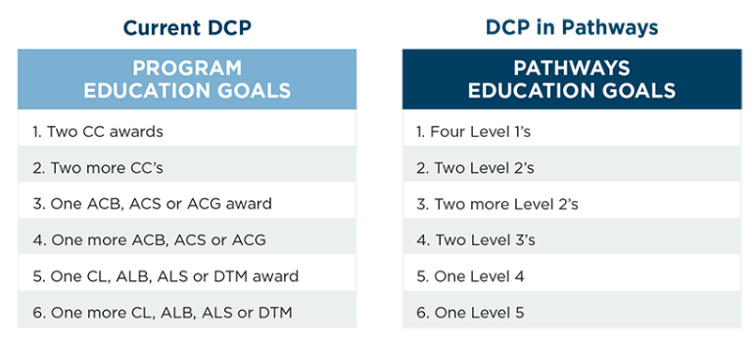

D57 Pathways Document links | http://www.d57tm.org/pathways

Distinguished Program (DCP) | https://www.toastmasters.org/~/media/549134efa75548b6928c43b6baafe433.ashx

